Screen UI
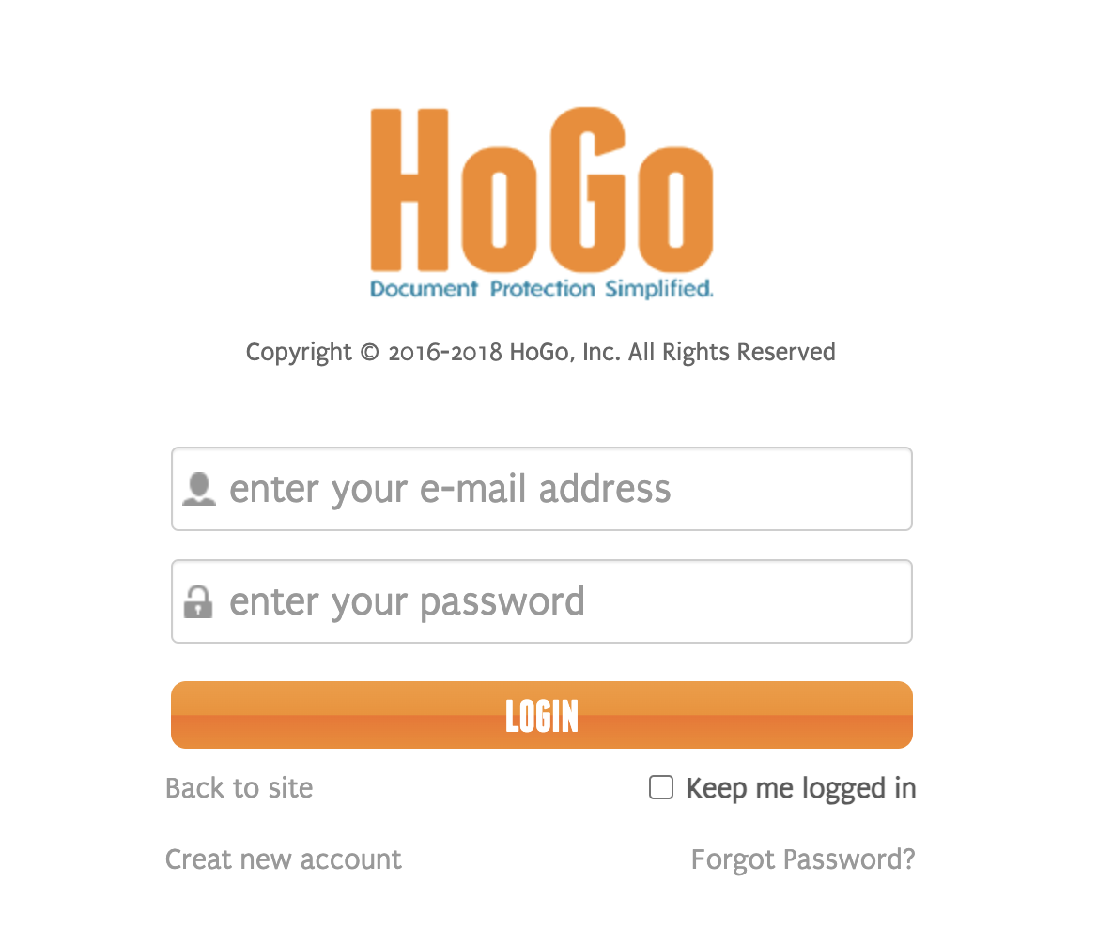

Sample TC of a Login page
Given: This log in page is a web page. It authenticates user login using its database authentication. Out of scope: It does not support login using 3rd party accounts such as Google, Facebook or Linkedin accounts.
This is an example of component test case for a log in page/screen.
Jira ticket | TVN-135 |  | Passed | 5
Number of tests |  |  | Failed | 1
Created Date |  |  | Pending | 4
Version |  |  | Not run | 0

Condition ID | Condition Name | Testcase ID | Test summary | Test Precondition | Test steps | Expected result | Test result - Round 1 |  |  |  |  | Test result - Round 2 |  |  |  |  | Test result - Round 3 |  |  |  |  | Notes
 |  |  |  |  |  |  | Chrome | Build | Bug ID | Tester | Tested date | Chrome | Build | Bug ID | Tester | Tested date | Chrome | Build | Bug ID | Tester | Tested date
SU1 | Successful log on | SU1-01 | Verify that admin users are able to log in to the system with a valid credential | There is an admin user was created | 1. Navigate to the Log in page 2. Enter the correct User name and Password of the admin account 3. Click on 'Log in' button | 1. It successfully authenticates the account and navigates to the main home page 2. It shows the 'Settings' menu item on the top right of the page (This is an example of an indicator that this is an admin user) | Passed |  |  | Son Hoang | 27-Oct-19
 |  | SU1-02 | Verify that normal users are able to log in to the system with a valid credential | There is a normal user was created | 1. Navigate to the Log in page 2. Enter the correct User name and Password of the normal account 3. Click on 'Log in' button | 1. It successfully authenticates the account and navigates to the main home page 2. There is no 'Settings' menu item (This is an example of an indicator that this is a normal user) | Failed |  |  | Son Hoang | 27-Oct-19
 |  | SU1-03 | Verify that users successfully log in to the system after a failed login attempt |  | 1. Navigate to the Log in page 2. Enter either wrong User name or Password 3. Click on 'Log in' button 4. Close the error message (if it is a popup) 5. Enter the correct account 6. Click on 'Log in' button | [step3] It shows a general error message on the log in page. (it should be a generic message that does not tell the user that the username or password are not correct) [step5] It successfully authenticates the account and navigates to the main home page | Passed |  |  | Son Hoang | 27-Oct-19
US1 | Unsuccefful log on | US1-01 | Verify that users are unable to login with an invalid credential |  | 1. Navigate to the Log in page 2. Enter either wrong User name or Password 3. Click on 'Log in' button | It shows a general error message on the log in page. For example: You have entered an invalid username or password | Passed |  |  | Son Hoang | 27-Oct-19
 |  | US1-02 | Verify that users are unable to login with a non-existing account |  | 1. Navigate to the Log in page 2. Enter a non-existing account (User name) 3. Click on 'Log in' button | It shows a general error message on the log in page. For example: You have entered an invalid username or password | Passed |  |  | Son Hoang | 27-Oct-19
 |  | US1-03 | Verify that users are blocked (or a captcha to be shown) after 3 failed login attempts |  | 1. Navigate to the Log in page 2. Enter either wrong User name or Password 3. Click on 'Log in' button 4. Close the error message (if it is a popup) 5. Enter either wrong User name or Password 6. Click on 'Log in' button 7. Close the error message (if it is a popup) 8. Enter either wrong User name or Password 9. Click on 'Log in' button | It shows a message that your account is blocked or It shows captcha with a message "You've tried to log in too many times with an incorrect account or password." | Passed |  |  | Son Hoang | 27-Oct-19
RE1 | Reset password | RE1-01 | Verify that there is a reset password email is sent to user after clicking on the reset password link with a valid username/email |  | 1. Navigate to the Log in page 2. Click on 'Forgot password?' link 3. Input the valid email/username 4. Click on the 'Reset' button | [step2] It shows the reset password page [step4] There is a reset password email will be sent to user's email | Pending |  |  | Son Hoang |  |  |  |  |  |  |  |  |  |  |  | The reset link is not implemented in this build
 |  | RE1-02 | Verify that there is no reset password email is sent to user after clicking on the reset password link with an non-existing username/email | Prepare a valid email that not existed in the system | 1. Navigate to the Log in page 2. Click on 'Forgot password?' link 3. Input a non-existing email/username 4. Click on the 'Reset' button (should test with a valid email but not existing in the system) | [step2] It shows the reset password page [step4] It shows this message on the reset password page "An email has been sent to {provided email address} with further instructions." And, there is no reset password email will be sent to user's email | Pending |  |  | Son Hoang |  |  |  |  |  |  |  |  |  |  |  | The reset link is not implemented in this build
 |  | RE1-03 | Verify that users successfully log in to the system after a successfully reset password |  | 1. Request reset password successfully 2. Click on the reset password link in the received email (check the user's mailbox) 3. Input and confirm the new password successfully 4. Navigate to the login page and login with the new password | It successfully authenticates the account and navigates to the main home page | Pending |  |  | Son Hoang |  |  |  |  |  |  |  |  |  |  |  | The reset link is not implemented in this build
 |  | RE1-04 | Verify that users successfully log in to the system with the current (old) password after requesting a reset password |  | 1. Request reset password successfully 2. Click on the reset password link in the received email 3. Navigate to the login page and login with the current password | It successfully authenticates the account and navigates to the main home page | Pending |  |  | Son Hoang |  |  |  |  |  |  |  |  |  |  |  | The reset link is not implemented in this build

